User Guide
Development Planning Toolkit - User Guide
Version 2 - Oct 2018
This Scout Group Development Planning Toolkit is one of a series of aids for use across the movemnt, to help members analyse the past and plan for the future. While anyone may use this tool, it may be helpful to enlist the support of the headquarters’ regional services team.
"Those who never make any plans, never make any progress either." - Lord Baden-Powell

Be SMART
Before we look at how to put a development plan tgether, let's ensure the targets we set are as realistic as possible; this makes the whole progress much easier in the long term. Make your targets Specific, Measurable, Achievable, Relevant and Time-bound (SMART). If you use this system for setting targets, you are far more likely to succeed. Because you have clearly identified when the target is reached, you know exactly when to close the task and will not waste extra resources by keeping it open for longer than needed. By making it time-bound you also know when to stop if you are not having any success, so the task can be reviewed and a new approach taken. Crucially, you will not be wasting your time by continuing with something that might never work.

Development Planning
Development plans do not need to be long, complicated documents that go on for pages and pages. Some of the best and most effective plans are short and simple ones. Be realistic; what can you achieve this year?

What goes into a Development Plan?
There are two main sources that can contribute to a development plan, one is the SWOT analysis, and the other is a RAG review of your group and sections. Elements are taken from both, prioritised, and then some items are placed on your development plan.
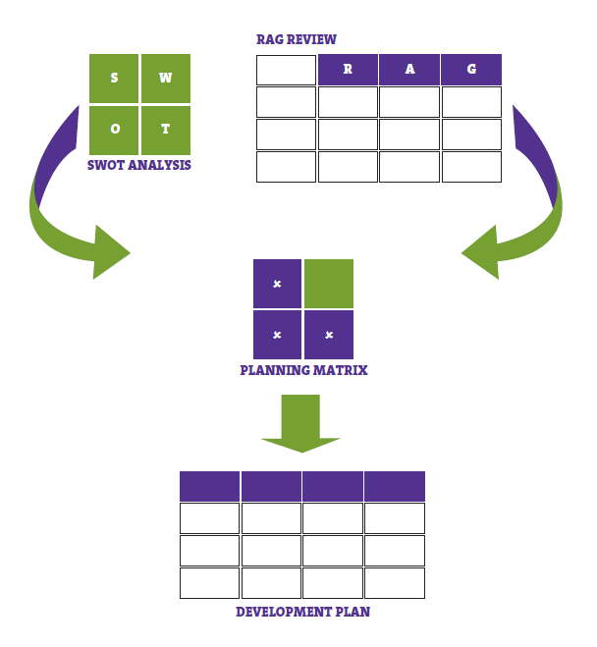

SWOT Analysis
This analysis helps you assess the strengths, weaknesses, opportunities and threats (SWOT) to your Group. Strengths and weaknesses are internal factors. Opportunities and threats are external factors that can influence the future of your Group.

RAG Review
The RAG review is a simple set of criteria which you can check your group against. There are a number of categories down the left-hand side, and each one has three statements next to it. Each statement corresponds to either red, amber or green. Read all three and decide which one is the closest match to your group. Put the corresponding colour in your 'score' column. For some questions you may need to access census data. A link to the census site and a user guide can be found at www.scouts.org.uk/census – if you are unsure you may need to speak to the group secretary or the scout information centre.
Please note that this a generic set of criteria and your group’s particular circumstances may slightly alter the results for one or two elements. For example, if you are in a rural area, your group size and rate of growth may well be different to that of an inner-city group, but not always! If you can’t decide which statement is the closest match for your group, try one of the following: • Repeat the exercise, either independently or as a group of people, and find out what the consensus of opinion is. • Speak to one or more of your district team or the regional services team for their perspective. • Always err on the side of caution. Only choose a statement if your group meets it entirely, or you could meet it quite quickly. • Remember – red isn’t a sign of failure, merely an honest opinion of where you are now, and a good opportunity for development.

Glossary and definitions
STAKEHOLDERS - Any adult who benefits from, or contributes to the group and its members. This includes parents, executive members, local sponsors, members from groups inside and outside Scouting you are partnered with and other local community leaders. MOVING IN - Joining Scouting from outside, regardless of whether a beaver, cub, scout, explorer, young leader or network member. MOVING ON - Moving from one section in Scouting to the next section due to age. REGISTER OF INTEREST - A list of young people who are interested in joining Scouting, but are not yet old enough for the youngest section that operates locally. WAITING LIST - A list of young people who want to join Scouting and who are the right age, but are unable to join as the section is at capacity. YOUTH FORUM - A meeting of young people specifically to take their views on a particular subject or range of subjects.

Planning Matrix
Now that you’ve analysed the group, you will have a better understanding of which elements could do with some support. But which ones do you prioritise? You can use a ‘planning matrix’ to chart where you should focus your efforts. It may be worth putting the elements that you are going to work on from the RAG and SWOT analysis onto small sticky notes as they are likely to be moved around the matrix until everyone is happy. You may also want to draw the matrix on a bigger piece of paper. Discuss with your team where they think items should be placed in the matrix, and how urgent and important everything is. Make sure there is a consensus over where items have been not ignored. Some of the items in the top, right-hand box (high importance, high urgency) will be carried forward into the development plan.
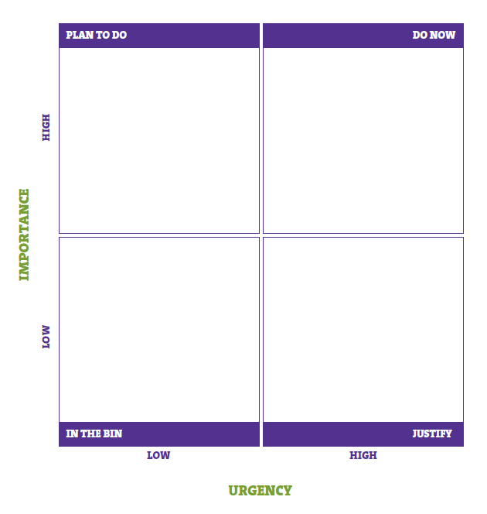

Development Plan
As mentioned before, development plans do not need to be huge, but they do need to be simple. Most group development plans should not have more than four or five targets, which you can perhaps review annually. Take some of the elements from the high importance, high urgency box in the planning matrix, and as a team decide which ones you could work towards this year. If this is your first development plan go for the ‘quick wins’, that is, items you can progress across the RAG chart from red to amber or amber to green quite quickly. By doing this, your overall development plan gets smaller and you can see that good progress is being made. Also remember to make any targets SMART. A blank group development plan template is on sheet 5, see 'Development Plan' tab. Support is always available from the regional services team (England), who can be contacted through the information centre or by email. Tel: 0345 300 1818 Email: rds@scouts.org.uk In Northern Ireland, Scotland and Wales contact your country headquarters at: Northern Ireland: info@scoutsni.com Scotland: shq@scouts-scotland.org.uk Wales: admin@scoutswales.org.uk
Note: Although in some parts of the British Isles, scout counties are known as areas or islands – and, in one case, bailiwick – for ease of reading this resource simply refers to county/counties. In Scotland there is no direct equivalent to county or area. In Scotland scouting is organised into districts and regions, each with distinct responsibilities. Some ‘county’ functions are the responsibility of Scottish regions, while others lie with Scottish districts. The focus of responsibility is outlined in Scottish variations from POR.

